Ledelys
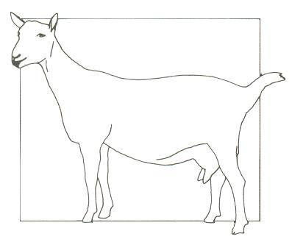

 |  | DIE S.A. MELKBOKTELERSGENOOTSKAP
 |  | THE S.A. MILCH GOAT BREEDERS’ SOCIETY

 |  | LEDELYS / MEMBER LIST
Lid Nr / Member No | Naam/Name | Adres/ Address | Tel | KKl / HDL | Voorvoegsel Prefix - Aansluitings Datem Inception Date

634678 | Anysbos | Posbus 550, Botrivier, 7185 |  | JH | Anysbos
A05 | Johan Heyns | admin@anysbos.co.za |  |  | 1-May-12
 | TOG | info@anysbos.co.za | 082 6011 067
695953 | Gavin Armstrong | Postnet Suite 173, Private Bag X6 |  |  | Egremont
A07 |  | Cascades, 3209 | 033 342 6677 |  | 1-Oct-20
 | SMG | kerrland@live.co.za | 076 150 5193
589996 | Curlewis JW | Bus 1524 SuiderPaarl, 7324 |  | BP | Kaalvoet
C04 | Walter |  | 021 863 4530 |  | 20-May-09
 | BAG - SMG | curlewiswalter@yahoo.com | 084 7758 172
696544 | Traka British Alpine Stoet | Posbus 30 Minnieskraal, Willomore, 6445 | 062 788 5471 | ADP | Traka
 | Du Pisani A & J |  |  |  | 9-Nov-20
D12 | Almero
 | BAG | kci@yebo.co.za | 062 788 5471
562424 | Limpopo Melkery 2 | Ledig Trust | 015 519 5448 | TJG | Ledig
L03 | Smitty | Bus 756, Louis Trichardt, 0920 |  |  | 11-Aug-04
 | SMG - BAG- TOG - BDE | goats@limpopodairy.co.za | 076 4037 521
 |  | joubert@limpopodairy.co.za | 082 494 3532
703180 | Peh-Lone | Plot 23 Vaallus Estates |  | PLS | Peh-Lone
L05 | Luane Stapelberg | Douglas Noord-Kaap 8735 |  |  | 1-Nov-19
 | BAG | lstapelberg123@gmail.com | 079 454 3472
35470 | Swart MPH | Bus 484, De Aar, 7000 | 083 256 9757 | MS | Lattaia
S01 | Lewenslange |  | watsapp: |  | 28-Mar-67
 | Ere-President | lattaia@webmail.co.za | 073 435 7716
 | SMG |  | 082 820 0960
490806 | Van der Westhuizen JM | Posbus 5 Middelpos 8193 | 027 3418 505 | JMW | T’Belle
V04 | Koos |  | 027 3412 516 |  | 1-Apr-98
 | BAG - TOG - BDE | mpos@hantam.co.za | 082 495 6735
710771 | van Dyk A | Plaas Landmetersmoeite, Hoopstad,9479 |  |  | Aromatic
V020 | Anje |  |  | AA
 | BAG | anjevandyk@outlook.com | 076 041 1106 |  | 23-Nov-22
707509 | van Schalkwyk P | Posbus 15, Williston, 8920 |  |  | Zakrivier
V19 | Phillip |  | 053 391 4158 | WAL
 | BAG | walkraalpvs@gmail.com | 073 791 3844 |  | 22-Jan-22
713024 | Vermeulen OC | Posbus 67, Modderaskolk,
 | Ockert |  | 0736734005 | OCV
V21 | SMG - TOG | No email |  |  | 31-Mar-23
34276 | Du Preez GG | Bus 676, De Aar, 7000 | 053 631 1247
D03 | Ere-Lewenslid

 |  | Lys soos op 18 Mei 2023
 |  | E: info@milkgoats.co.za
 |  | Webblad adres\Web Page: www.milkgoats.co.za

